工作表1
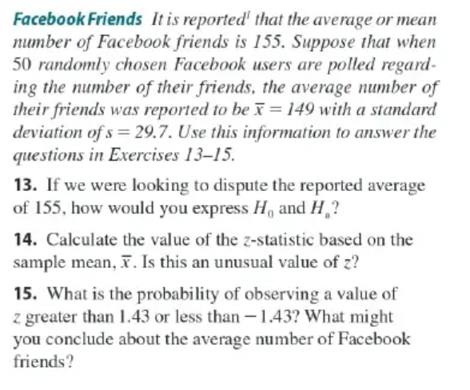
 | u=155 |  | 14. | Assume α =0.05, P(-1.96<Z<-1.96) = 0.95
 | n=50
 | _
 | x=149
 | s=29.7

 | 13. |  | Z= | (149-255)/25.7/7.07= |  | -0.58329430977
 | Ho : u is 155
 | Ha : u is not 155 |  | n^1/2= | 7.07

 |  |  | -0.583>-1.96 | not unusual
 |  |  |  |  |  |  |  | x-155/s/n^1/2= |  | 0.9236
 |  |  | 15. |  |  |  |  | x-155=0.9236*29.7/7.07
 |  |  | P(-1.43<z<1.43)= |  | 0.0764*2 |  |  | x= | 158.87990382
 |  |  |  | = | 0.15

 |  |  | u= | 5.86
 |  |  | n= | 40 | 6.3245553203
 |  |  | _
 |  |  | x= | 5.56
 |  |  | s= | 0.7

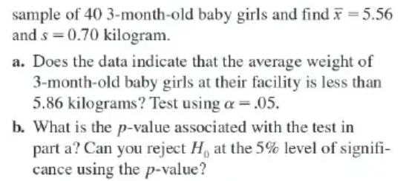
 |  |  | a.
 |  |  | Ho: u is 5.86
 |  |  | Ha: u is not 5.86

 |  |  | Z= | (5.56-5.86)/0.7/sqar(40)= |  | -0.067763092718
 |  |  | Z>-1.96 | u=5.86 | --> No

 |  |  | Z=-0.07
 |  |  | P= | 0.9442 | >0.05


 |  |  | p= | 0.8
 |  |  | n= | 100
 |  |  | _ |  |  |  | 0.04
 |  |  | x= | 0.797

 |  |  | 1 | Ho: p is 0.8 |  | 4 | Z= | (0.797-0.8)/0.04
 |  |  |  | Ha: p is not 0.8 |  |  | = | -0.075
 |  |  | 2 | α =0.05 |  | 5 | The rejection region = {z : -0.075 > −1.96}
 |  |  |  |  |  | 6 | Ho: p is 0.8



 |  |  |  |  |  | a. |  |  |  | c
 |  |  |  |  |  | Ho: p is 0.6
 |  |  |  |  |  | Ha: p is not 0.6 |  |  |  | z=-3.83
 |  |  |  |  |  |  |  |  |  | p=0<0.01
 |  |  |  |  |  | b.
 |  |  |  |  |  | α =0.01 | z=(0.6-0.68)/0.021= |  | -3.8348249442

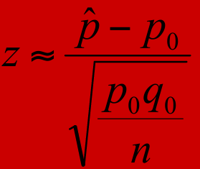

p= | 0.68
n= | 500
_ |  |  | =SQRT(I78*0.32/500)=
p= | 0.6 |  | 0.020861447697 |  |  | The rejection region ={z:z<-2.58,z>2.58}
 |  |  |  |  |  | z:-3.83<-2.58 falls into the rejection region, we reject Ho


 | po= | 0.2 |  | a.
 | n= | 200 |  | Ho: p<po
 | _ |  |  | Ha: p >po
 | p= | 0.15
 |  |  |  | b.
 |  |  |  | p=sqrt(0.2*0.8/200)= |  | 0.028284271247

 |  |  |  | c.
 |  |  |  | The rejection region ={z:z<-1.645}
 |  |  |  | z=(0.15-0.2)/0.028= |  | -1.767766953 | <-1.645
 |  |  |  | falls into the rejection region, we reject Ho
 |  |  |  | No
 |  |  |  | d.
 |  |  |  | p=0.0384 falls on reject region | <0.05

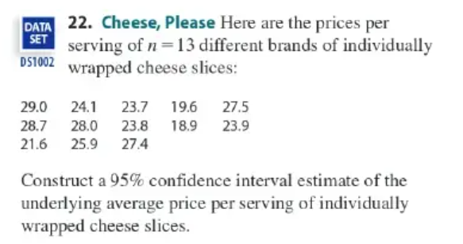
 | n=13 | Data
 | u=24.8 | 29 |  | α =0.05 | t12=1.782
 | s=3.34 | 24.1 |  | estimate : | 24.8+1.782*3.34/sqre(13)= |  | 26.450754502
 | 3.6055512755 | 23.7 |  |  | 24.8-1.782*3.34/sqre(13)= |  | 23.149245498
 |  | 19.6
 |  | 27.5
 |  | 28.7
 |  | 28
 |  | 23.8
 |  | 18.9

 |  | 23.9
 |  | 21.6
 |  | 25.9
 |  | 27.4

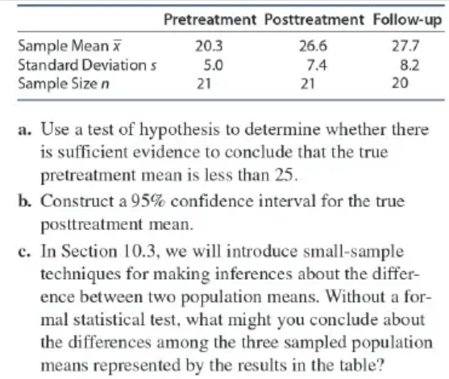
 | a
 | Ho: u<25
 | Ha:ｕ>25

 | b.
 | n= | 21
 | _
 | x= | 20.3
 | s= | 5

 |  |  | =(21-25)/5/sqrt(21)=
 |  |  | -0.17457431219 | >-1.645 | accept Ho

